Sheet1
Paper Title | Authors | Year | Publication | Summary | Harrassment Categories (Labels)s | Dataset | Citation | Paper Hyperlink | Notes
Harassment in Social Virtual Reality: Challenges for Platform Governance | Blackwell et al. | 2019 | PACM on Human-Computer Interaction, Vol. 3, No. CSCW, Article 100. Publication date: November 2019. | The paper "Harassment in Social Virtual Reality: Challenges for Platform Governance" examines harassment in social VR environments. It highlights that users' definitions of harassment are subjective, making enforcement of platform-level policies challenging. The study finds that the sense of embodiment and presence in VR intensifies the experience of harassment, while the lack of standardized controls complicates the reporting and escape from such behaviors. Additionally, norms for appropriate behavior in social VR are still evolving, further complicating governance efforts. There was an interview of (n=25) | Verbal Harassment: This includes personal insults or hateful slurs directed towards individuals in the virtual environment. Physical Harassment: This encompasses simulated touching or grabbing, which can be particularly impactful due to the immersive nature of VR. Environmental Harassment: This type of harassment involves displaying graphic content on a shared screen within the VR space, affecting the environment experienced by users | Not Public | Blackwell, Lindsay, et al. "Harassment in social virtual reality: Challenges for platform governance." Proceedings of the ACM on Human-Computer Interaction 3.CSCW (2019): 1-25. | View Paper | 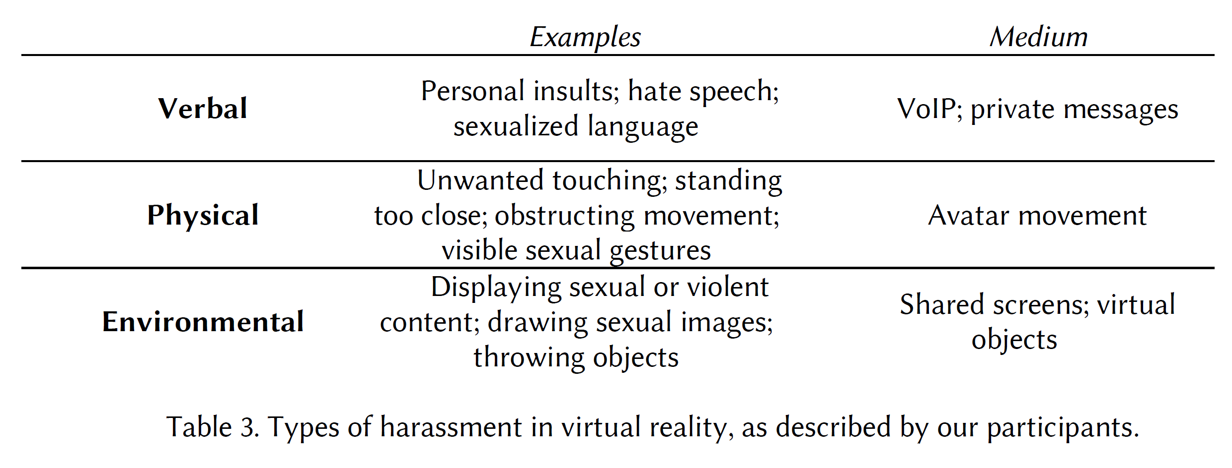 Flaming-Name calling or Insults Doxing-releasing personally identifiable info, such as home address or phone number "Indeed, in a survey of frequent users of HTC Vive, Oculus Rift, Playstation VR and Microsoft Windows Mixed Reality [40], 49% of female respondents described experiencing sexual harassment in VR, including being groped, stalked, or catcalled; being shown a lewd photograph; or hearing a sexually explicit comment. 36% of male respondents described experiencing the same."
Towards Leveraging AI-based Moderation to Address Emergent Harassment in Social Virtual Reality | Schulenberg et al. | 2023 |  |  |  |  |  | View Paper

